1. Organize

 |  | OT Patching and Vulnerability Management Playbook - Organize

The purpose of the 'ORGANIZE' section is to help the BU collect the relevant information about the vulnerability, as well as identify stakeholders across the organization that would be responsible, accountable, consulted, or informed (RACI) about remediation activities. The stakeholders include both internal and external customers, services providers, and vendors that may be involved in the operation of the system. This section also includes identification of assets impacted or effected by the vulnerability as well as other analysis of the relative risk posed by the vulnerability. The output of this section should be used in the 2. PREPARE tab to create a strategy and roadmap for remediation.

 | Business Unit
 | Department

I - Organize
Information for this section is available from the Armis or reported device vulnerabilities. The vendors identified in the report may not be exactly the same as those in the advisory since some devices may be OEM devices. If this is the case, list the vendor and note any differences or relationships between vendors as necessary.

Advisory Number |  |  | Device Category |  | Vendor | Device Model | Site Locations | Notes
☐
☐
☐
☐
☐
☐
☐
☐

1.0 Respond The purpose of this section is to respond, acknowledge, and accept the remediation request into your BUs project/action/intake system.
Activity |  |  |  | Description |  |  | Governance
☐ | 1.1 Enter vulnerability into your BU's intake process |  |  | This action acknowledges the vulnerability to the organization, and the fact that a decision must be made on how to deal with it. The intake location where projects and actions are initiated for your organization. This includes Service Now or any other ticketing system where you acknowledge requests for service and action for your system. This may also be a project intake system where you schedule activities for various projects and initiatives.
☐ | 1.2 Determine System Ownership and Responsibility |  |  | Review the Armis search spreadsheet to determine the system owners and custodians involved in the decision making and administration of the systems. Make this determination based on system categories and it's business purpose.
☐ | 1.3- Appoint POC/Program Manager |  |  | Appoint a single point of contact or project manager within your organization that will lead remediation efforts and receive communications for all matters related to remediation efforts. This is the person who is the single point of contact for communication on the issue, and will lead the planning, tracking, and execution efforts of the vulnerability remediation. Ideally, this person already has knowledge or the system, or has led other implementation efforts around this system.
☐ | 1.4 - |  |  | Add more tasks as necessary below for response and acknowledgements specific to your BU.
☐
☐

2.0 Analyze
Activity |  |  |  | Description |  |  | Notes
☐ | 2.1 Review report to determine which assets from your organization are Impacted or identified as affected by the CVE. |  |  | Used to determine scope and foot print of vulnerabilities with your group. Identify groups and category of devices - ie IP Cameras, PLCs, Handhelds, etc. Also determine which CVE applies to which group. The Armis device list will tell which CVEs apply to each type to avoid confusion about which vulnerabilities apply.
☐ | 2.2 Determine Sites Impacted by the CVE or advisory |  |  | Not all sites may have assets impacted by this vulnerability. The reason may be that each site uses different models of devices and different operating software. Identify these sites as well as those which are the most critical sites from a business perspective especially when a severe criticality that has been exploited exists.
☐ | 2.3 Determine Business Processes Impacted |  |  | OT devices support a business process - ie materials handling, inventory, logistics, CRM, Warehouse Management, etc. Knowing this information will assist in identifying how that process will continue during remediation efforts.
☐ | 2.4 Determine Customers Impacted (internal/external) |  |  | Identify which customers are impacted due to interruption of a business process - internal and external. They may need to be notified of system unavailability or delays if remediation affects their activities.
☐ | 2.5 Determine internal/external stakeholders |  |  | Identify anyone else that could participate or be impacted by remediation - ie IT support, IT infrastructure, IT Support, Vendors, 3rd party service providers, ISPs, etc. You may need these individuals to assist in planning activities.
☐ | 2.6 Determine Data Stores impacted if applicable |  |  | Identify where data is stored for the system and business processes (databases, storage volumes, backups and snapshots. Determine alternate sites and currency of the data and recovery point objectives should they need to be restored if an incident occurs during remediation.
☐ | 2.7 Determine additional dependencies and constraints including system, business, and resources. |  |  | Identify other systems, activities, or processes that create dependencies for the upgrade - this includes infrastructure capacity, support resources, critical workloads (on premise or cloud) that must be considered in order to execute remediation activities.
☐ | 2.8 Determine Relative Risk based on impact, severity, and threat landscape (Low, Med, High) |  |  | Not every CVE poses the same level of risk for every system and organization - even if it is critical. Existing controls may lower the actual risk presented by the vulnerability, or if nothing is impacted (affected) by the vulnerability, no risk may exist. Use your preferred risk assessment method or the Risk Assessment Tab to do a simple assessment of relative risk of the vulnerability. Use the relative risk score to assist in prioritization of CVE remediation.
☐
☐
☐

3.0 Communicate
Activity |  |  |  | Description
☐ | Contact asset vendors for advisory guidance |  |  | A discussion with the vendor may save lots of time in developing and executing a strategy. They can also pass advice and best practices as how to deal wth this type of issue. They may also help you assess risk and develop a remediation strategy. Make this the 1st communication you make after becoming aware of the vulnerability. The vendor's website may have preliminary information on the vulnerability, however the support engineers from the company are a valuable resource when planning remediation efforts.
☐ | Contact 3rd party support and service providers as necessary |  |  | This includes any managed services organizations or cloud-providers responsible for the upkeep and administration of the system. Use their ticketing or in-take system to gain recognition of the issue for planning and support purposes.
☐ | Notify BISO and ISRM contacts of intent to address vulerability |  |  | ISRM (Information Security and Risk Management) compiles and reports metrics to senior management on risk management activities such as vulnerability management. ISRM may have notified you of the vulernability via a JIRA ticket or even email. Use whatever method agreed upon to let them know that the issue is under consideration in order to begin the compilation of metrics.
☐ | Identify and Assemble stakeholders as needed in order to plan executing of vulnerability remediation. |  |  | Stakholders in the VM process include those listed below
☐ | *IT-related stakeholders - |  |  | Network Support, Infrastructure (Virtual Services, Data Center, Physical Servers, etc), Network Security (IAM, FW, or other Security Tools) whether internal or third party support.
☐ | *System Owners, Custodians, Developers |  |  | Technology Asset Owners responsible for the operation, maintenance, or development of applications and tools relevant to the devices in question.
☐ | *Business Unit and Site Leads |  |  | Business representatives including product
☐
☐
☐
☐
☐
☐
☐
☐
☐
☐
☐

Parking Lot
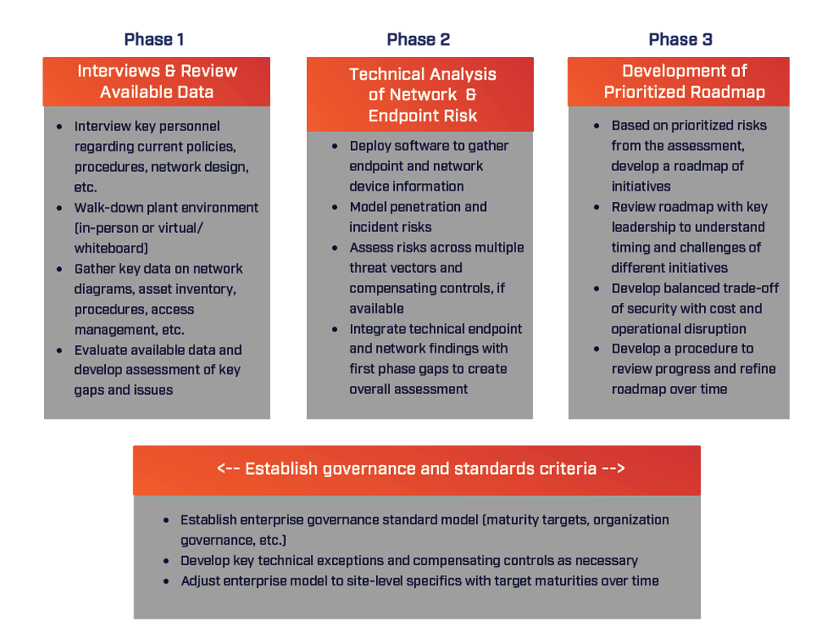
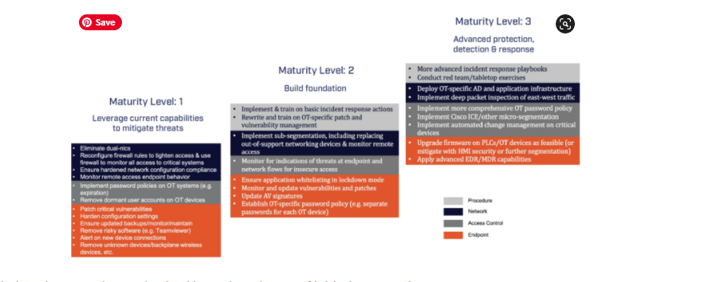
https://mckessoncorp.sharepoint.com/sites/Policies/SitePages/Threat-and-Vulnerability-Management-Policy.aspx?OR=Teams-HL&CT=1651070004382&params=eyJBcHBOYW1lIjoiVGVhbXMtRGVza3RvcCIsIkFwcFZlcnNpb24iOiIyNy8yMjA0MDExMTQwOSJ9

Ideas
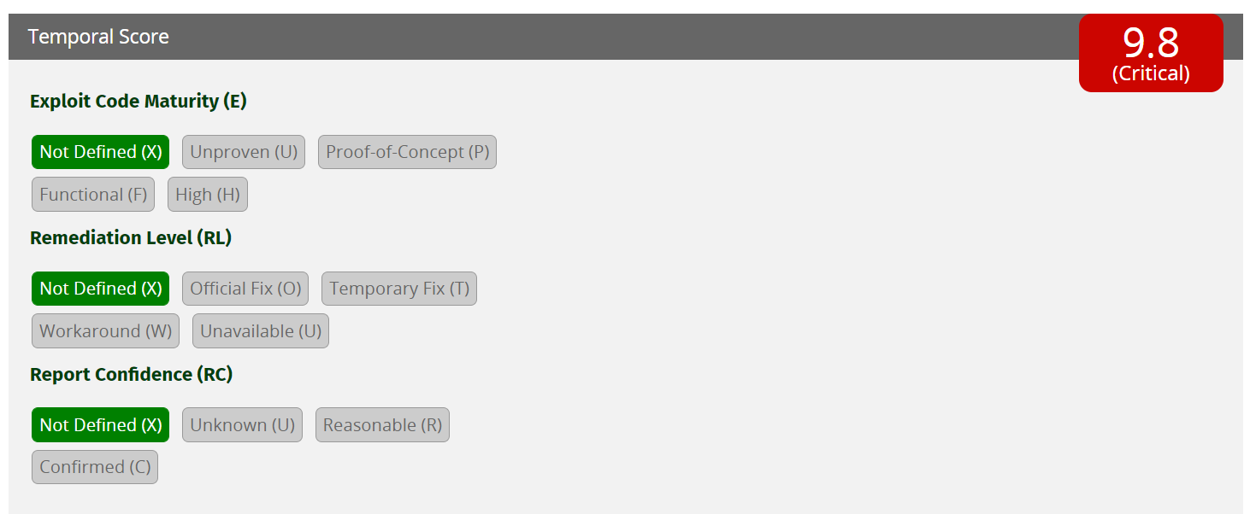
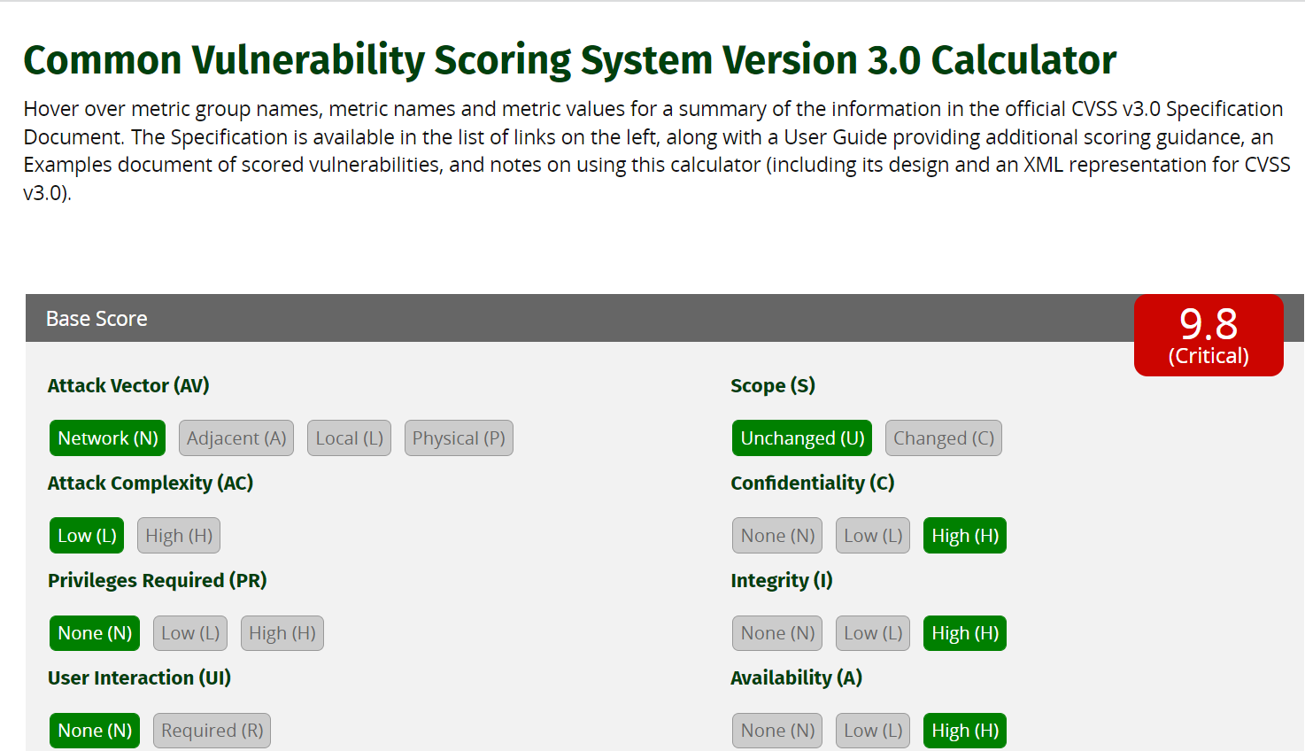
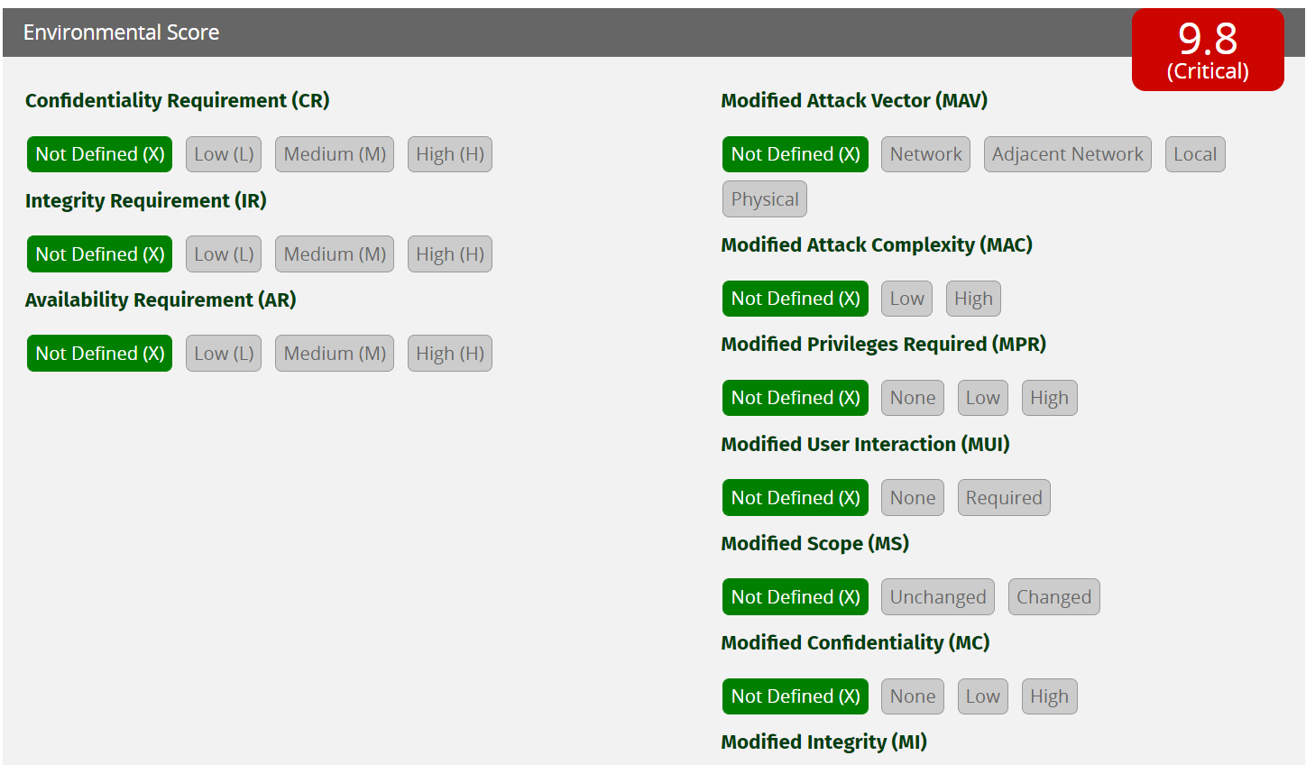
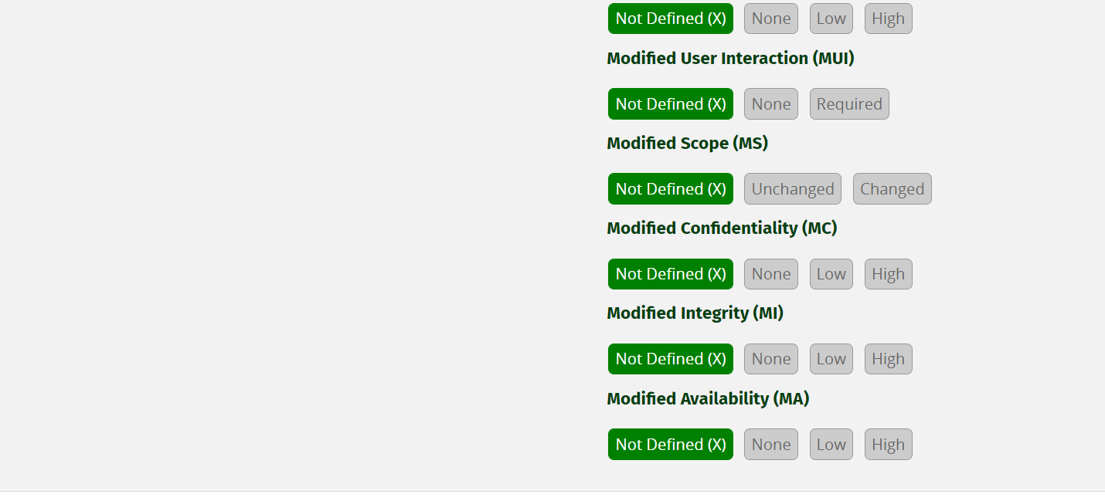
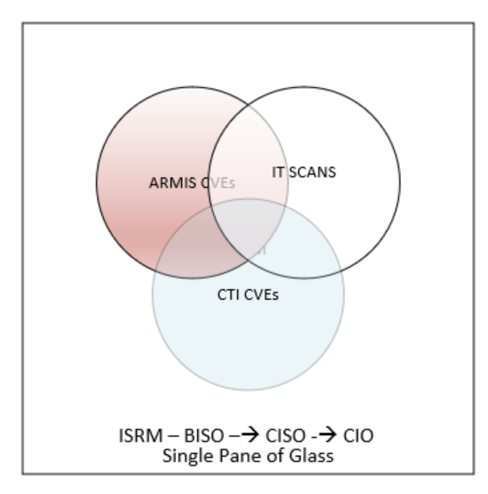
Would like to provide hyperlinks in each one of these activities to where this should be done or another tracking tool within this spreadsheet or smart sheet.
Note: do I need to provide a checklist for OT team?

We need a configuration control board (CCB)

https://www.first.org/cvss/calculator/3.0#CVSS:3.0/AV:N/AC:L/PR:N/UI:N/S:U/C:H/I:H/A:H

